Generator Data
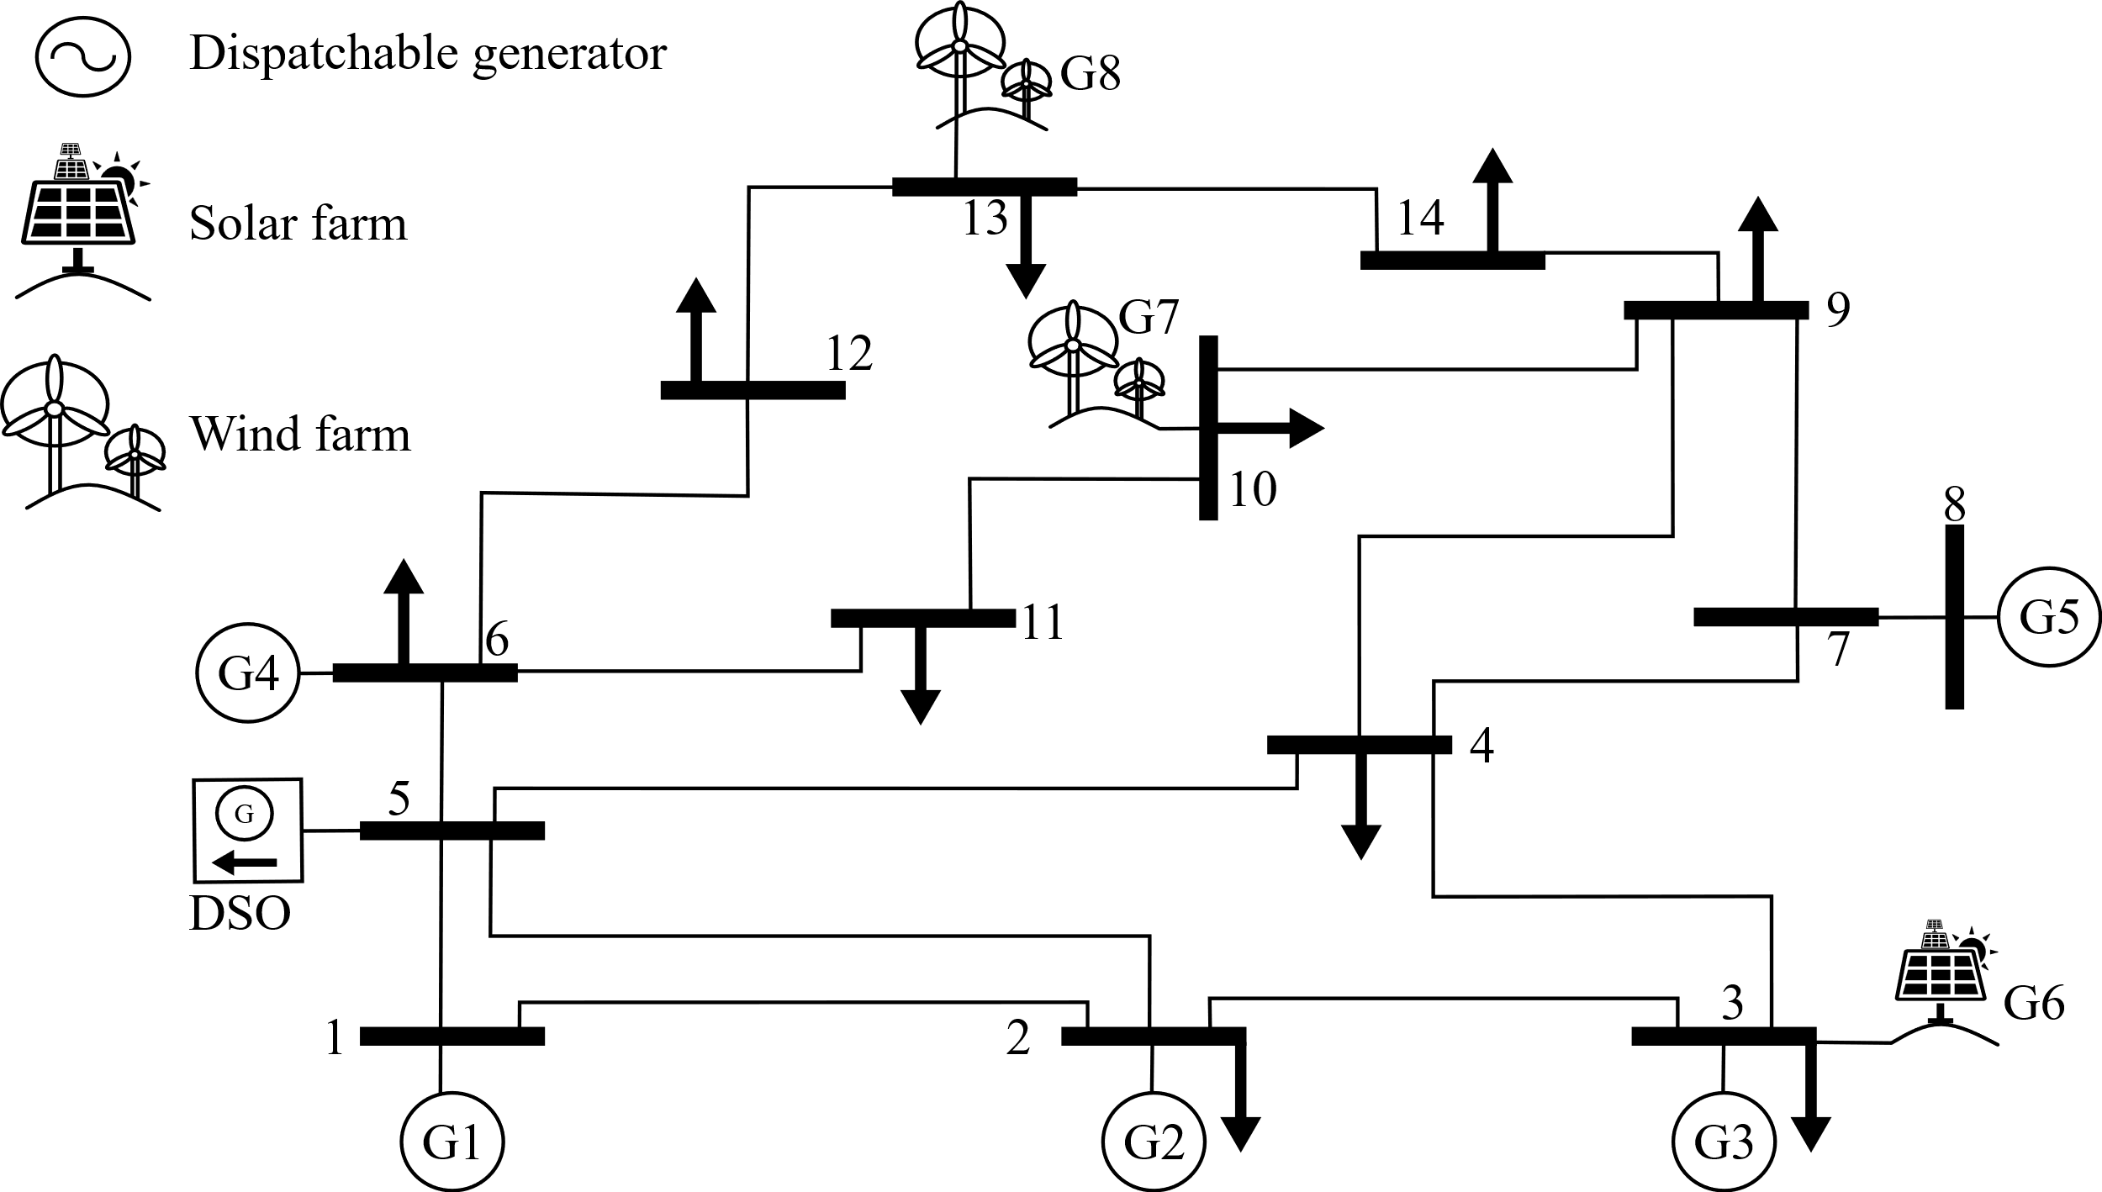
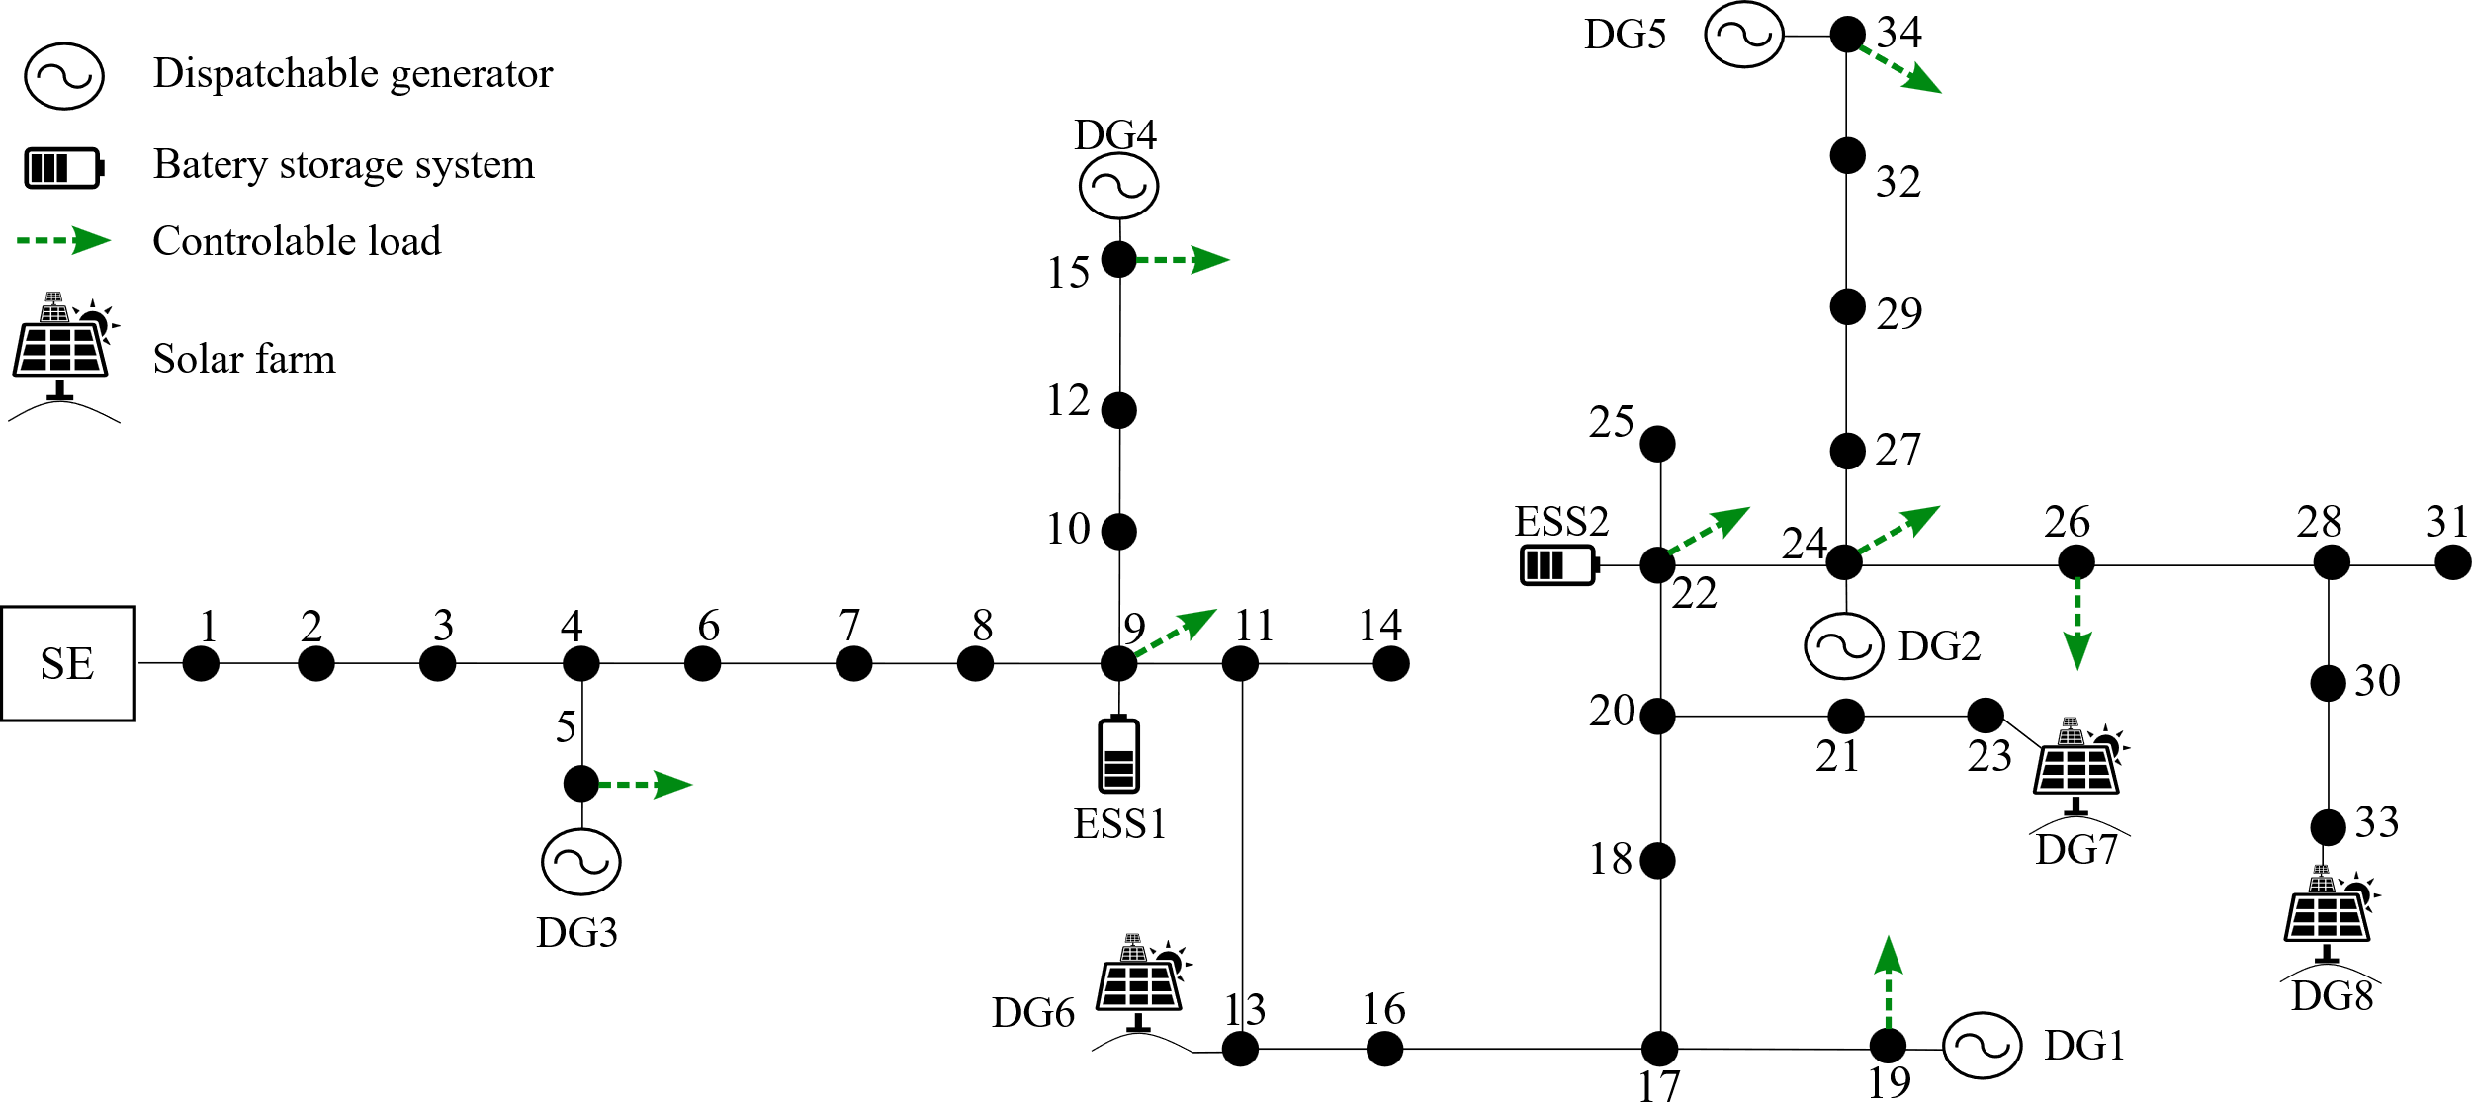
 | Node | a | b | P_max (MW) | P_min (MW) | Carbon Intensity (ton/MW) | DSO-CONNECTED DISPATCHABLE GENERATORS
1 | 19 | 0.0401 | 1.85 | 7 | 0 | 0.3319
2 | 24 | 0.05202 | 1.75 | 5.5 | 0 | 0.4117
3 | 5 | 0.0302 | 2.2 | 6.5 | 0 | 0.3594
4 | 15 | 0.0638 | 1 | 7.5 | 0 | 0.4469
5 | 34 | 0.0456 | 2 | 10 | 0 | 0.4018

 | Node | RER Type | P_max (MW) | Wind min Velocity (m/s) | Wind max Velocity (m/s) | Wind Rated Velocity (m/s) | DSO-CONNECTED NON-DISPATCHABLE GENERATORS
1 | 13 | SOLAR | 1.5 | . | . | .
2 | 23 | SOLAR | 1 | . | . | .
3 | 33 | SOLAR | 0.5 | . | . | .

 | Node | a | b | P_max (MW) | P_min (MW) | Carbon Intensity (ton/MW) | TRANSMISSION-CONNECTED DISPATCHABLE GENERATORS
1 | 1 | 0.0173 | 1.8345 | 50 | 0 | 2.7186
2 | 2 | 0.0166 | 1.07993 | 75 | 0 | 2.186
3 | 3 | 0.0237 | 2.038054 | 55 | 0 | 1.6434
4 | 6 | 0.0197 | 2.158896 | 50 | 0 | 0.8186
5 | 8 | 0.0177 | 1.9817 | 40 | 0 | 0.78

 | Node | RER Type | P_max (MW) | Wind min Velocity (m/s) | Wind max Velocity (m/s) | Wind Rated Velocity (m/s) | TRANSMISSION-CONNECTED NON-DISPATCHABLE GENERATORS
1 | 3 | SOLAR | 5 | . | . | .
2 | 10 | WIND | 15 | 3 | 17 | 10
3 | 13 | WIND | 10 | 3 | 17 | 10

 | TRANSMISSION SYSTEM |  |  |  |  |  |  | DISTRIBUTION SYSTEM

